Sheet1
 |  | Document No. | Issue No. | Issue Date |  |  | Review and Replace Date |  | Authorised By
 |  | GFF479MC | 2 | 25.11.2024 |  |  | 21.02.2026 |  | Magda Shah
 |  | Document Title | GC-22 Onion Bhaji 660G

Document amendments reason for change |  | Tray product code changed |  | Page 1 of 1 |  | Previous Issue Date |  | 25.11.2024 | Uncontrolled copy unless signed original

FOBHC-B22X4T | GAZEBO-AROUND NOON LONDON |  |  |  | 22 Onion Bhaji 660G
STEP 1 |  |  |  |  | STEP 2
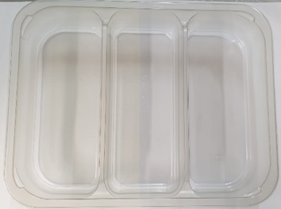 |  |  |  |  | 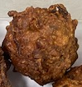 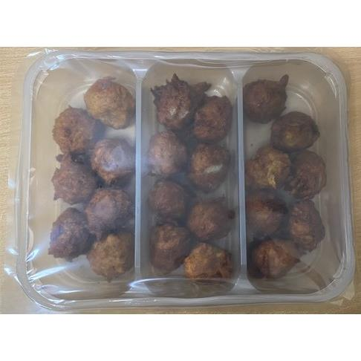

Tray: Tray 3 cavity HW308/60 Transparent (PKESS001-10) |  |  |  |  | Onion Bhaji Cocktail (GFF121R): 30G (1X22Units)- 660G
Film: K Peel RPSM 25µm (340mmX1000lm) (PKKMP001-05)
STEP 3

22 Onion Bhajis 660g
TOTAL WEIGHT: 660G

ALLERGY ALERT: None

